Inspector 1
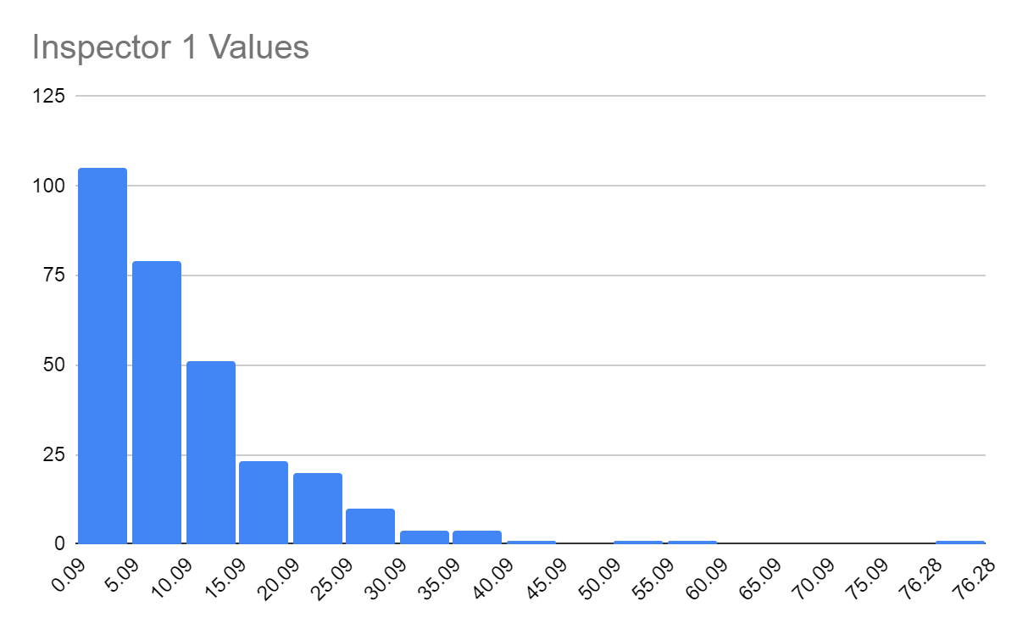
10.16
13.508
1.586
16.705
4.552
5.818
0.362
7.095
8.989
0.358
2.256
33.691
12.34
28.015
3.853
14.182
5.869
16.519
1.221 | Hypothesized Distribution: Exponential
32.107
6.876 | Sample Mean: | 10.35791
24.597 | Sample Variance: | 95.842066637
7.583 | Lambda: | 0.096544573181
14.206
8.532
0.6 | Class | Oi | Pi | Ei | X02
2.937 | < 5.09 | 105 | 0.38823794892 | 116.47138467 | 1.1298282984
4.889 | 5.09 - 10.09 | 79 | 0.23424318811 | 70.272956433 | 1.0837923048
7.721 | 10.09 - 15.09 | 51 | 0.14455166331 | 43.365498993 | 1.3440547665
1.638 | 15.09 - 20.09 | 23 | 0.089202949868 | 26.76088496 | 0.52854215048
5.4 | 20.09 - 25.09 | 20 | 0.055047213452 | 16.514164036 | 0.73579578981
1.532 | 25.09 - 30.09 | 10 | 0.033969680525 | 10.190904157 | 0.0035761691754
9.969 | 30.09 - 35.09 | 4 | 0.020962717685 | 6.2888153055 | 0.83301468531
19.93 | 35.09 - 40.09 | 4 | 0.012936110259 | 3.8808330778 | 0.0036592028216
8.47 | 40.09 - 45.09 | 1 | 0.0079828842403 | 2.3948652721 | 0.81242529588
7.11 | 45.09 - 50.09 | 0 | 0.0049262444055 | 1.4778733216 | 1.4778733216
32.939 | 50.09 - 55.09 | 1 | 0.003039989459 | 0.91199683769 | 0.0084918677967
37.381 | 55.09 - 60.09 | 1 | 0.001875979986 | 0.56279399579 | 0.33964308708
2.844 | 60.09 - 65.09 | 0 | 0.0011576687864 | 0.34730063593 | 0.34730063593
10.466 | 65.09 - 70.09 | 0 | 0.00071439835664 | 0.21431950699 | 0.21431950699
12.92 | 70.09 - 75.09 | 0 | 0.00044085581123 | 0.13225674337 | 0.13225674337
3.921 | > 75.09 | 1 | 0.00071050682811 | 0.21315204843 | 2.904638747
11.574 | TOTAL | 300 |  |  | 11.899212573
14.925
17.833
6.555 | Significance Level | 0.05
8.242 | Degrees of Freedom | 14
1.934 | X0.052 | 23.7
27.983
8.259 | Goodness of Fit Test: Null Hypothesis NOT Rejected.
15.521 | Exponential definition is good fit
23.239
0.502
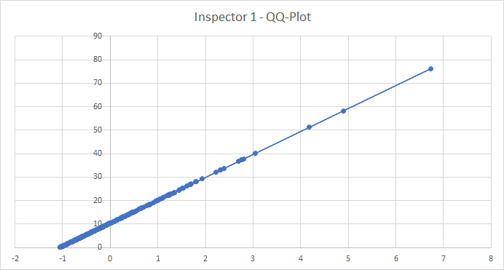
16.238
12.832
4.911
1.612
15.423
4.344
7.25
8.925
6.403
3.426
22.305
1.745
5.432
10.79
4.411
0.475
17.275
2.193
36.744 | Since the line is a straight line then F is a member of an appropriate family of distributions.
1.679
3.389
1.504
0.496
6.426
6.051
13.76
22.71
5.981
20.618
7.257
5.562
8.296
14.946
5.481
14.266
8.506
9.848
14.857
5.656
1.248
9.05
6.866
26.176
10.272
4.258
26.898
8.334
18.29
15.151
6.448
0.1
0.694
9.621
10.043
23.592
5.811
37.309
4.043
5.412
8.159
3.747
7.855
11.665
0.556
4.97
8.482
6.326
5.909
1.691
8.324
6.002
33.024
10.328
0.981
0.651
3.877
4.336
19.641
13.311
10.311
10.983
20.949
25.267
37.728
3.214
11.744
4.421
1.223
11.393
6.435
4.733
11.113
2.477
0.74
2.665
9.424
2.551
3.835
13.873
11.943
2.425
2.562
15.129
7.995
3
18.311
2.993
3.162
23.558
20.274
19.603
18.189
3.761
5.104
7.148
12.976
6.599
3.392
3.643
6.144
12.528
0.351
8.044
0.266
11.942
2.873
76.284
5.126
20.11
0.114
6.546
8.726
24.455
12.358
7.217
21.171
9.1
2.208
9.486
4.98
2.787
4.102
3.819
21.227
8.41
2.803
2.591
6.675
13.2
19.175
7.801
0.121
13.595
8.589
19.933
11.684
9.539
2.037
3.746
11.178
25.288
2.265
1.934
11.581
9.746
5.466
10.267
7.54
4.016
4.066
4.534
5.342
4.59
9.058
21.477
3.662
3.506
16.874
1.74
14.117
15.15
3.141
13.825
22.239
29.293
4.58
4.621
8.043
9.351
27.073
22.131
13.903
0.087
10.441
51.216
25.395
40.25
2.486
0.418
10.701
10.406
1.24
22.454
22.374
0.486
26.75
12.721
13.121
4.676
12.675
0.334
4.484
10.404
20.623
6.949
15.821
0.2
4.749
3.172
4.125
0.785
7.095
18.493
0.387
14.618
3.651
13.202
7.52
22.654
5.423
6.544
58.309
2.859
1.249
12.806
2.431
16.852
8.682
4.793
18.618
11.929
14.481
2.432
6.11
9.665
6.007
3.026

WS1
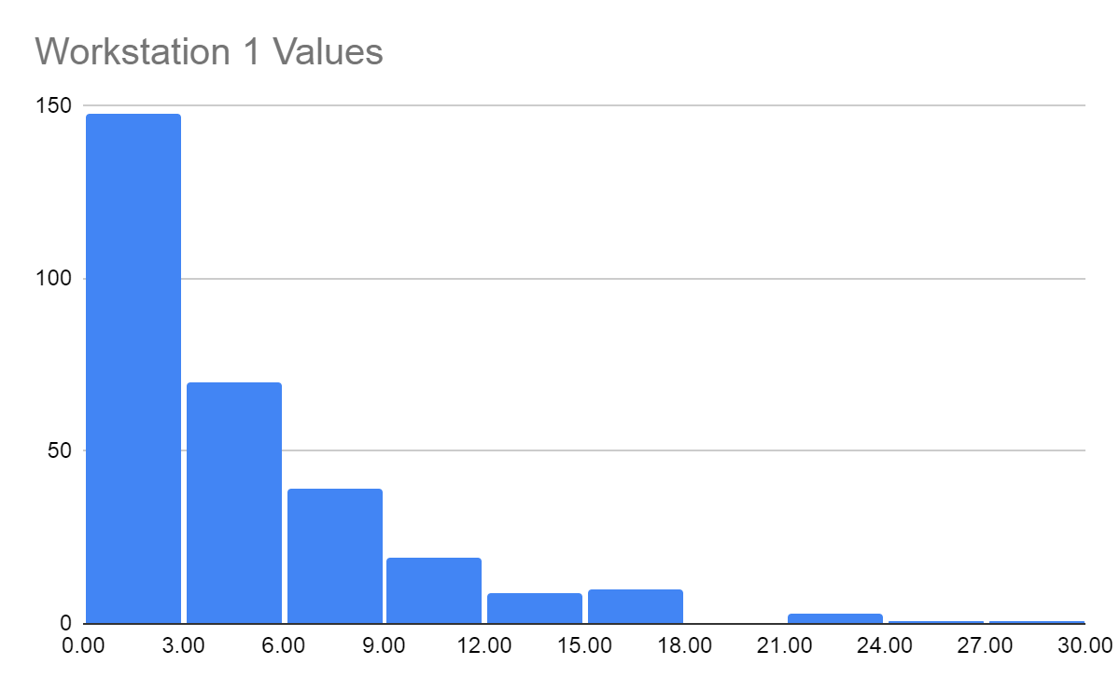
0.85
0.476
3.016
7.33
0.956
4.197
0.951
0.242
3.259
3.342
10.956
7.002
1.746
0.289
3.514
2.495
1.823
6.069
1.44
4.102
8.803
0.619 | Hypothesized Distribution: Exponential
6.377 | Sample Mean: | 4.6036120401
0.394 | Sample Variance | 22.701104191
3.517 | Lambda: | 0.21722073695
1.351
7.333
6.832 | Class | Oi | Pi | Ei | X02
17.956 | < 3 | 148 | 0.4788212526 | 143.64637578 | 0.13194933554
0.479 | 3 - 6 | 70 | 0.24955146066 | 74.865438198 | 0.31620049818
8.436 | 6 - 9 | 39 | 0.13006091768 | 39.018275303 | 8.5597505143E-06
1.403 | 9 - 12 | 19 | 0.06778498616 | 20.335495848 | 0.087706204625
1.13 | 12 - 15 | 9 | 0.035328094179 | 10.598428254 | 0.24107092308
4.808 | 15 - 18 | 10 | 0.018412251872 | 5.5236755616 | 3.6275628889
2.528 | 18 - 21 | 0 | 0.0095960743674 | 2.8788223102 | 2.8788223102
12.246 | 21 - 24 | 3 | 0.0050012700187 | 1.5003810056 | 1.4988573701
3.237 | 24 - 27 | 1 | 0.0026065556438 | 0.78196669313 | 0.060793539321
9.86 | > 27 | 1 | 0.0028371368189 | 0.85114104567 | 0.026034449165
0.282 | SUM | 300 |  | SUM | 8.8690060789
3.049
1.078
1.038
9.927 |  |  | Significance Level | 0.05
8.828 |  |  | Degrees of Freedom | 8
16.311 |  |  | X0.052 | 15.5
2.621
1.075 | Null Hypothesis NOT rejected
8.524 | Exponential definition is good fit
5.665
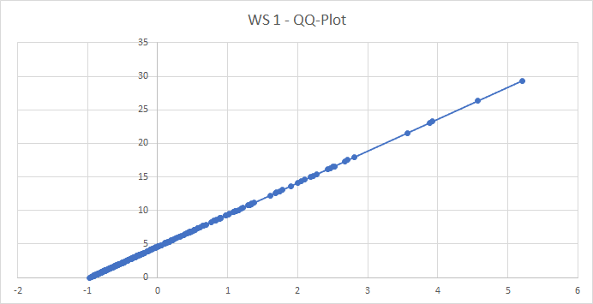
14.579
3.924
0.453
4.059
2.947
3.425
5.891
1.738
3.072
0.789
2.167
9.226
0.55
4.293
16.603
3.226
8.873
1.106
0.85 |  | Since the line is a straight line then F is a member of an appropriate family of distributions.
0.62
5.811
0.25
10.273
0.636
6.62
2.23
1.519
16.522
3.289
23.085
2.557
4.119
3.56
3.856
4.378
0.732
5.092
1.212
1.335
10.089
1.934
8.563
5.604
7.104
0.582
2.272
1.621
2.878
2.37
1.234
7.469
8.894
5.259
8.227
6.546
12.889
1.222
1.299
2.801
0.288
10.838
2.134
6.66
3.044
0.255
1.079
5.23
17.517
2.841
7.085
4.384
1.012
0.931
3.376
5.37
2.491
0.518
0.589
3.231
0.688
2.75
3.688
1.056
1.023
0.643
13.661
9.763
2.188
6.766
3.692
2.126
1.961
3.385
0.94
1.876
2.908
6.719
0.987
0.11
1.685
2.012
15.429
0.069
1.626
2.306
0.33
11.125
6.78
1.972
1.094
6.806
0.906
5.206
10.389
16.168
4.239
1.32
23.28
3.214
1.341
2.807
3.417
5.569
1.001
2.897
8.599
3.553
0.951
1.54
9.882
4.373
0.766
4.582
4.462
1.035
1.535
1.775
5.184
4.61
0.726
1.885
3.053
0.833
6.837
1.402
6.894
7.72
1.193
10.825
3.319
1.033
3.171
2.704
4.664
6.067
2.291
0.717
0.572
4.485
10.919
8.888
1.876
2.174
2.752
1.594
2.583
0.856
2.043
2.174
3.947
5.36
1.279
9.485
0.999
5.534
5.125
13.089
1.893
3.557
0.849
6.861
10.744
26.34
0.197
9.771
3.65
2.378
15.196
1.396
1.772
6.415
2.528
0.845
1.844
3.388
9.261
0.807
0.444
2.306
7.154
14.138
1.632
4.185
29.375
21.555
0.587
0.789
1.151
12.69
3.013
0.581
1.649
1.421
4.616
1.701
0.007
12.599
0.497
1.627
2.017
6.107
0.582
15.017
0.486
3.204
1.976
1.807
14.344
7.875
1.634
5.368
10.995
3.363
4.101
3.269
7.148
0.216
2.907
1.991
2.302
17.322
6.738
6.203
1.73
4.403
0.071
9.408
3.419
7.687
2.589
4.845

Inspector 2 Component 2 (servin
0.13
0.151
0.171
0.181
0.299
0.4
0.501
0.526
0.537
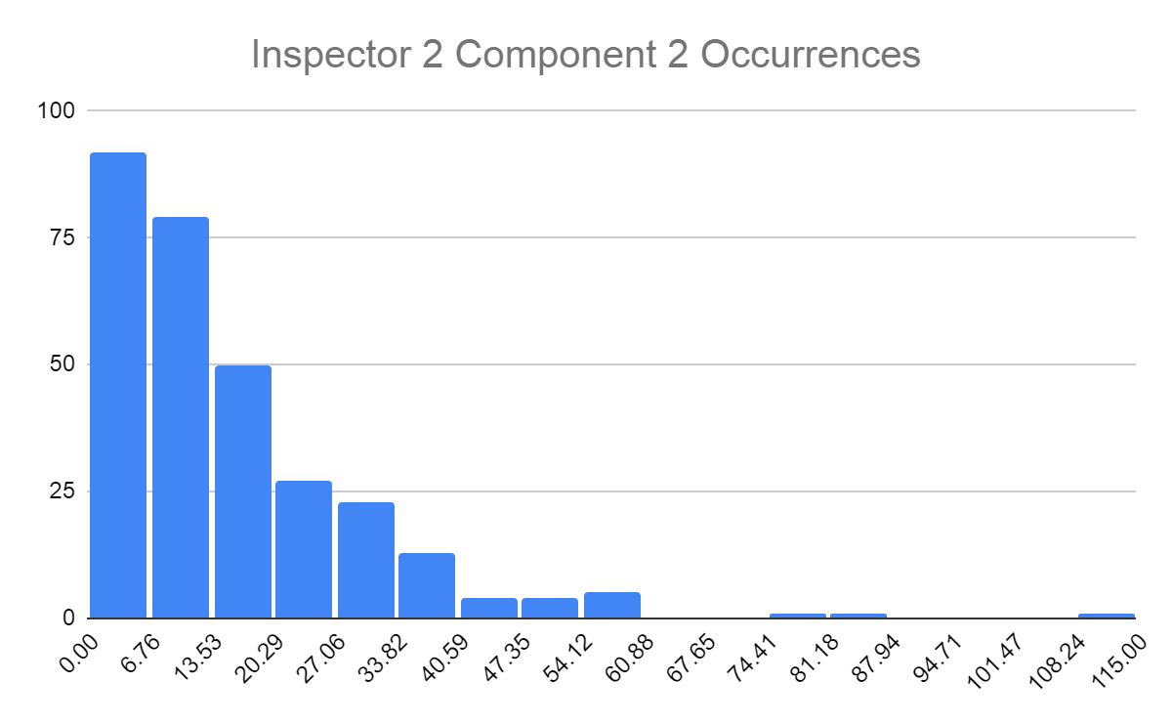
0.543
0.58
0.628
0.712
0.729
0.745
0.752
0.834
0.899
0.977
1.041
1.11
1.178
1.472
1.832
1.835
1.86
1.872
1.874
2.256
2.298 | Hypothesized Distribution: | Exponential
2.38
2.418 | Sample Mean: | 15.536903333
2.457 | Sample Variance: | 215.64430797
2.519 | Lambda: | 0.064362889988
2.537
2.611
2.617
2.901
2.901 | Class | Oi | Pi | Ei | X02
3.055 | < 6.67 | 92 | 0.3490356995 | 104.71070985 | 1.5429381114
3.29 | 6.67 - 13.53 | 79 | 0.23236029555 | 69.708088666 | 1.2385882025
3.311 | 13.53 - 20.29 | 50 | 0.14768165693 | 44.30449708 | 0.73217744592
3.384 | 20.29 - 27.06 | 27 | 0.095693035057 | 28.707910517 | 0.10160817285
3.398 | 27.06 - 33.82 | 23 | 0.061820133049 | 18.546039915 | 1.0696493986
3.638 | 33.82 - 40.59 | 13 | 0.04005748772 | 12.017246316 | 0.080368228958
3.646 | 40.59 - 47.35 | 4 | 0.025878155281 | 7.7634465842 | 1.8243868929
3.649 | 47.35 - 54.12 | 4 | 0.016768224788 | 5.0304674363 | 0.21108637532
3.715 | 54.12 - 60.88 | 5 | 0.010832699441 | 3.2498098323 | 0.94256765199
3.729 | 60.88 - 67.65 | 0 | 0.007019246052 | 2.1057738156 | 2.1057738156
3.826 | 67.65 - 74.41 | 0 | 0.0045346113704 | 1.3603834111 | 1.3603834111
3.843 | 74.41 - 81.18 | 1 | 0.002938284509 | 0.88148535271 | 0.015934152029
3.886 | 81.18 - 87.94 | 1 | 0.0018982064805 | 0.56946194416 | 0.3255055398
3.998 | 87.94 - 94.71 | 0 | 0.0012299776632 | 0.36899329895 | 0.36899329895
4.181 | 94.71 - 101.47 | 0 | 0.00079459683496 | 0.23837905049 | 0.23837905049
4.204 | 101.47 - 108.24 | 0 | 0.00051487357579 | 0.15446207274 | 0.15446207274
4.266 | >108.24 | 1 | 0.00094281619234 | 0.2828448577 | 1.8183519485
4.289 | Total | 300 |  |  | 14.13115377
4.309
4.406
4.49
4.5
4.54 | Significance Level | 0.05
4.712 | Degrees of Freedom | 15
4.744 | X0.052 | 25
4.759
4.822 | Goodness of Fit Test: Null Hypothesis NOT Rejected.
5.084 | Exponential definition is good fit
5.088
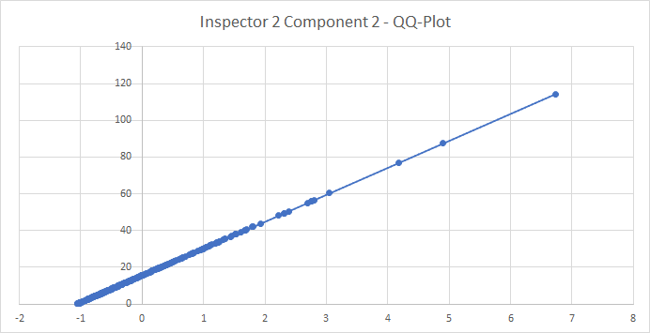
5.139
5.259
5.465
5.477
5.493
5.619
5.621
5.642
5.729
5.752
5.78
5.815
5.882
6.025
6.064
6.099
6.152
6.188
6.387
6.504 | Since the line is a straight line then F is a member of an appropriate family of distributions.
6.516
6.617
6.631
6.726
6.801
6.828
6.87
6.885
6.932
7.014
7.1
7.124
7.19
7.334
7.366
7.455
7.47
7.655
7.689
8.013
8.1
8.118
8.134
8.148
8.2
8.221
8.343
8.484
8.716
8.727
8.804
8.863
8.971
9.003
9.01
9.076
9.165
9.216
9.489
9.605
9.639
9.653
9.672
9.816
9.819
9.832
9.898
10.013
10.299
10.314
10.424
10.642
10.643
10.665
10.721
10.826
10.874
10.885
11.279
11.31
11.374
11.581
11.702
11.782
11.992
12.065
12.067
12.239
12.363
12.389
12.444
12.486
12.501
12.615
12.706
12.722
12.76
12.798
12.884
13.024
13.089
13.388
13.484
13.575
13.587
13.65
14.026
14.136
14.229
14.309
14.432
14.498
14.619
14.772
14.953
15.065
15.24
15.401
15.408
15.466
15.492
15.607
15.609
15.661
15.698
16.051
16.185
16.475
16.669
16.767
17.089
17.361
17.371
17.498
17.526
17.615
17.894
17.913
17.915
18.511
18.537
18.791
19.012
19.081
19.209
19.249
19.38
19.464
19.681
19.8
19.803
19.967
20.262
20.393
20.641
20.738
20.809
20.854
21.175
21.273
21.309
21.399
21.722
21.927
22.285
22.388
22.418
22.693
22.725
22.726
23.135
23.281
23.731
24.358
24.779
25.057
25.277
25.311
25.912
26.749
27.283
27.434
27.466
27.739
27.926
28.762
29.404
29.461
29.895
29.9
30.165
30.41
30.927
30.935
31.424
31.757
31.84
32.216
33.197
33.359
33.458
33.561
33.682
33.981
34.065
34.859
35.337
35.388
36.682
36.896
37.901
37.931
38.092
39.264
40.125
40.347
40.609
41.974
42.023
43.94
48.16
49.409
49.536
50.537
55.117
55.964
56.072
56.592
60.375
76.825
87.463
114.426

WS2
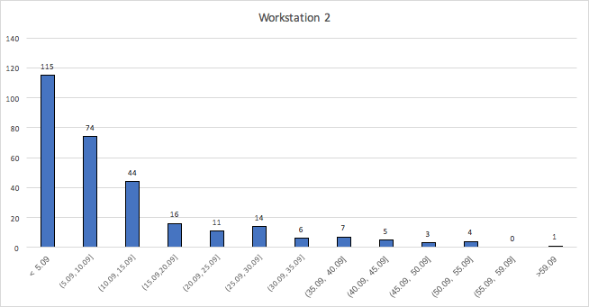
0.091
0.092
0.106
0.106
0.116
0.143
0.149
0.15
0.203
0.257
0.281
0.282
0.314
0.32
0.368
0.376
0.468
0.498
0.527
0.578
0.693
0.734
0.74
0.742
0.791
0.835
0.861 | Hypothesized Distribution: | Exponential
0.863
0.913 | Sample Mean: | 11.092606667
0.924 | Sample Variance: | 140.33756405
0.927 | Lambda: | 0.090150136037
0.97
0.982
1.01 | Class | Oi | Pi | Ei | X02
1.014 | < 5.09 | 115 | 0.3679989304 | 110.39967912 | 0.19169396485
1.015 | 5.09 - 10.09 | 74 | 0.22932179261 | 68.796537783 | 0.39356659385
1.074 | 10.09 - 15.09 | 44 | 0.14611230596 | 43.833691787 | 0.0006309854487
1.084 | 15.09 - 20.09 | 16 | 0.093095408461 | 27.928622538 | 5.0948461732
1.117 | 20.09 - 25.09 | 11 | 0.059315709377 | 17.794712813 | 2.5944853787
1.171 | 25.09 - 30.09 | 14 | 0.037792985036 | 11.337895511 | 0.6250542973
1.2 | 30.09 - 35.09 | 6 | 0.024079788187 | 7.223936456 | 0.20736899575
1.202 | 35.09 - 40.09 | 7 | 0.015342429251 | 4.6027287754 | 1.2485874369
1.227 | 40.09 - 45.09 | 5 | 0.0097754238329 | 2.9326271499 | 1.4574067152
1.232 | 45.09 - 50.09 | 4 | 0.006228408132 | 1.8685224396 | 2.431438068
1.247 | 50.09 - 55.09 | 3 | 0.0039684282259 | 1.1905284678 | 2.7501965006
1.304 | 55.09 - 59.08 | 0 | 0.0021096282051 | 0.63288846154 | 0.63288846154
1.37 | > 59.08 | 1 | 0.0048631444844 | 1.4589433453 | 0.14437092084
1.385 | Total | 300 |  |  | 17.772534492
1.391
1.414
1.434 | Significance Level | 0.05
1.472 | Degrees of Freedom | 11
1.505 | X0.052 | 19.68
1.605
1.643
1.77 | Goodness of Fit Test: Null Hypothesis NOT Rejected.
1.811 | Exponential definition is good fit
1.837
1.872
1.926
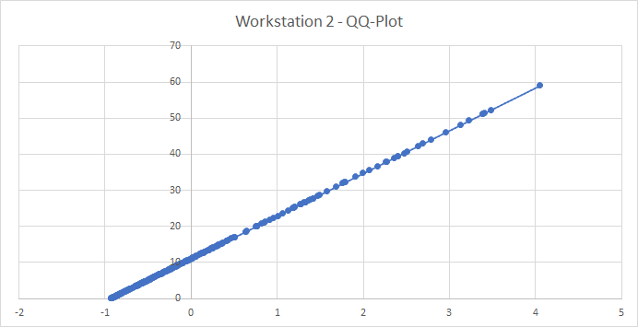
1.954
2.044
2.11
2.114
2.12
2.131
2.195
2.204
2.265
2.329
2.388
2.428
2.441
2.543
2.591
2.613
2.632
2.692
2.78 | Since the line is a straight line then F is a member of an appropriate family of distributions.
2.966
3.055
3.2
3.41
3.411
3.582
3.639
3.672
3.767
3.808
3.831
3.93
3.996
4.12
4.137
4.146
4.26
4.317
4.331
4.375
4.378
4.448
4.491
4.513
4.545
4.596
4.639
4.643
4.753
4.769
4.792
4.816
4.83
4.852
4.866
5.005
5.117
5.21
5.225
5.34
5.359
5.359
5.407
5.476
5.545
5.56
5.565
5.702
5.728
5.735
5.791
5.831
5.896
5.976
6.005
6.047
6.06
6.189
6.239
6.404
6.556
6.586
6.672
6.683
6.729
6.808
6.871
6.873
7.003
7.162
7.181
7.338
7.447
7.517
7.661
7.842
7.884
7.949
8.139
8.152
8.201
8.316
8.321
8.394
8.489
8.503
8.539
8.578
8.628
8.631
8.706
8.746
8.79
8.846
8.907
8.917
8.973
8.99
9.156
9.211
9.246
9.257
9.336
9.361
9.506
9.56
9.641
9.803
9.878
9.927
10.234
10.366
10.428
10.506
10.595
10.721
10.734
10.895
10.993
11.17
11.214
11.243
11.259
11.351
11.596
11.66
11.664
11.758
11.769
12.118
12.319
12.347
12.538
12.696
12.715
12.769
12.838
12.917
13.188
13.43
13.489
13.503
13.81
13.989
14.061
14.074
14.155
14.441
14.561
14.654
14.675
14.754
14.847
14.942
15.218
15.258
15.407
15.451
15.882
15.997
16.226
16.63
16.891
17.072
17.119
18.603
18.625
18.683
20.006
20.084
20.112
20.132
20.747
21.159
21.304
21.882
22.356
22.997
23.69
24.477
25.086
25.156
25.352
25.369
26.098
26.206
26.642
26.801
27.177
27.452
27.815
27.847
28.432
28.775
29.771
31.048
31.963
32.205
32.313
33.727
34.767
35.546
36.736
37.883
38.008
38.964
39.473
39.487
40.362
40.806
42.376
42.999
44.032
46.078
48.12
49.324
51.207
51.228
51.425
52.283
59.078

Inspector 2 for Component 3 (se
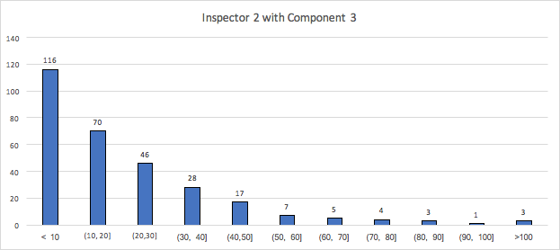
0.031
0.137
0.214
0.256
0.302
0.327
0.34
0.384
0.577
0.68
0.686
0.844
0.903
0.941 | Sample Mean: | 20.632756667 |  | Range: 0 to 104.091
1.053 | Sample Variance: | 394.38618729
1.135 | Lambda: | 0.048466621119 |  |  |  | Hypothesized Distribution: Exponential
1.216
1.299 | Class | Oi | Pi | Ei | X02
1.39 | <10 | 116 | 0.3840972561 | 115.22917683 | 0.0051564054961
1.434 | 10 - 20 | 70 | 0.23656655396 | 70.969966187 | 0.013256796557
1.502 | 20 - 30 | 46 | 0.1457019897 | 43.710596909 | 0.11991065973
1.608 | 30 - 40 | 28 | 0.089738255246 | 26.921476574 | 0.043207614462
1.644 | 40 - 50 | 17 | 0.055270037639 | 16.581011292 | 0.010587504857
1.769 | 50 - 60 | 7 | 0.034040967838 | 10.212290351 | 1.0104304662
1.829 | 60 - 70 | 5 | 0.020965925496 | 6.2897776489 | 0.2644809525
1.868 | 70 - 80 | 4 | 0.012912971042 | 3.8738913125 | 0.0041052780733
1.959 | 80 - 90 | 3 | 0.0079531342965 | 2.3859402889 | 0.1580380408
2.319 | 90 - 100 | 1 | 0.0048983572358 | 1.4695071708 | 0.15000742274
2.321 | > 100 | 3 | 0.0078545514561 | 2.3563654368 | 0.17580696289
2.463 | Sum: | 300 |  | Sum: | 1.9549881044
2.465
2.561 | Significant Level | 0.05
2.748 | Degrees of freedom | 9
2.913 | X0.052 | 16.92
2.965
3.088 | Goodness of Fit Test: Null Hypothesis NOT Rejected.
3.142 | Exponential definition is good fit
3.163
3.182
3.206
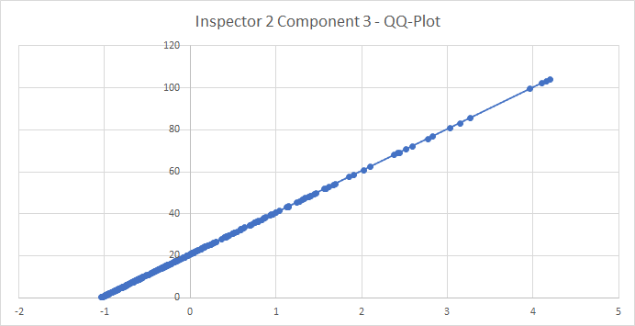
3.317
3.344
3.381
3.475
3.489
3.611
3.708
3.819
3.861
3.889
3.964
4.056
4.079
4.097
4.166
4.171
4.5
4.842
5.003 | Since the line is a straight line then F is a member of an appropriate family of distributions.
5.029
5.074
5.091
5.168
5.253
5.254
5.523
5.625
5.637
5.687
5.801
5.871
5.895
6.036
6.102
6.302
6.481
6.505
6.617
6.796
7.124
7.142
7.381
7.389
7.487
7.546
7.65
7.703
7.96
7.975
8.023
8.126
8.254
8.361
8.384
8.463
8.469
8.587
8.668
8.673
8.699
8.746
8.781
8.811
8.841
8.889
8.934
8.959
8.978
8.983
9.167
9.171
9.289
9.351
9.604
9.703
9.712
10.235
10.353
10.56
10.785
10.789
10.838
11.378
11.519
11.632
11.945
12.134
12.345
12.432
12.484
12.852
12.914
13.217
13.253
13.492
13.748
14.024
14.045
14.051
14.25
14.258
14.38
14.382
14.417
14.585
14.902
14.965
15.015
15.016
15.311
15.39
15.413
15.432
15.576
15.69
15.894
16.119
16.183
16.317
16.793
16.809
16.92
17.055
17.135
17.23
17.382
17.484
17.591
17.611
17.793
17.911
18.066
18.074
18.156
18.217
18.408
18.805
18.919
19.096
19.18
19.278
19.292
19.74
19.832
19.987
19.995
20.016
20.36
20.554
20.69
20.923
20.96
21.105
21.16
21.209
21.246
21.43
21.576
22.029
22.087
22.473
22.568
23.175
23.294
23.743
23.819
23.828
24.11
24.111
24.17
24.632
24.685
25.303
25.383
25.398
25.754
25.965
26.128
26.52
26.639
27.942
28.6
28.748
28.82
28.846
28.901
29.055
29.083
29.098
29.259
29.565
29.602
30.409
30.442
30.482
30.82
30.954
31.458
32.336
32.426
32.438
33.044
33.306
34.494
34.526
34.535
34.84
35.529
35.57
35.654
36.02
36.348
36.394
37.202
37.688
37.815
38.12
39.179
39.431
39.723
40.394
40.541
41.307
43.01
43.325
43.444
45.269
45.981
46.647
46.984
47.315
48.002
48.184
48.46
48.552
49.281
49.729
51.818
52.122
52.816
53.824
54.195
57.425
58.456
60.781
62.322
67.928
68.786
69.159
70.617
72.038
75.712
76.847
80.815
83.199
85.454
99.448
102.108
103.123
104.019

workstation 3
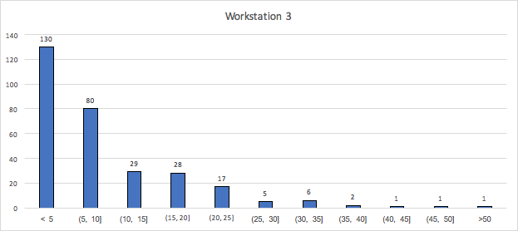
0.102
0.138
0.271
0.338
0.414
0.436
0.45
0.494
0.505
0.507
0.52
0.638
0.69
0.708
0.73
0.736
0.775
0.794
0.808
0.816
0.835
0.839 | Sample Mean: | 8.79558
0.844 | Sample Variance: | 74.825445803
0.856 | Lambda: | 0.11369346876
0.861
0.862
0.872 | Class | Oi | Pi | Ei | X02
0.91 | <5 | 130 | 0.43360714069 | 130.08214221 | 5.1869855812E-05
0.917 | 5 - 10 | 80 | 0.24559198823 | 73.67759647 | 0.54253651471
0.991 | 10 - 15 | 29 | 0.13910154844 | 41.730464532 | 3.8836070725
1.047 | 15 - 20 | 28 | 0.078786123756 | 23.635837127 | 0.80580677057
1.115 | 20 - 25 | 17 | 0.044623897908 | 13.387169372 | 0.97500410879
1.116 | 25 - 30 | 5 | 0.02527465713 | 7.582397139 | 0.87950747782
1.117 | 30 - 35 | 6 | 0.01431538532 | 4.294615596 | 0.67720518876
1.14 | 35 - 40 | 2 | 0.0081081320236 | 2.4324396071 | 0.076879201124
1.145 | 40 - 45 | 1 | 0.0045923880806 | 1.3777164242 | 0.10355519799
1.211 | 45 - 50 | 1 | 0.002601095816 | 0.78032874481 | 0.061839911293
1.241 | >50 | 1 | 0.0033976426086 | 1.0192927826 | 0.00036516638405
1.27 |  | 300 |  |  | 8.0063584798
1.318
1.32 | Significance Level | 0.05
1.421 | Degrees of freedom | 9
1.434 | X0.052 | 16.92
1.51
1.529 | Goodness of Fit Test: Null Hypothesis NOT Rejected.
1.53 | Exponential definition is good fit
1.603
1.636
1.685
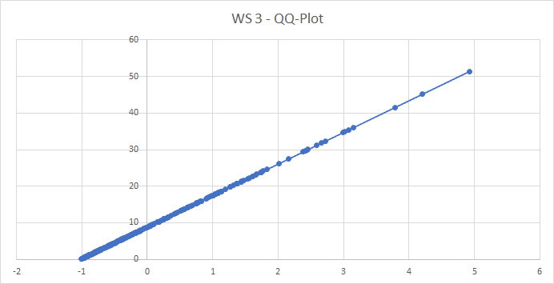
1.713
1.72
1.801
1.832
1.869
1.895
1.917
1.935
1.941
1.991
2.018
2.034
2.122
2.182
2.222
2.397
2.402
2.431
2.491 | Since the line is a straight line then F is a member of an appropriate family of distributions.
2.526
2.578
2.585
2.592
2.593
2.645
2.714
2.725
2.735
2.918
3.065
3.128
3.143
3.21
3.215
3.249
3.282
3.465
3.482
3.493
3.532
3.59
3.637
3.638
3.65
3.726
3.759
3.785
3.809
3.825
3.869
3.891
3.899
3.9
3.917
3.936
3.954
4.01
4.014
4.074
4.078
4.09
4.224
4.266
4.28
4.298
4.358
4.384
4.491
4.544
4.55
4.56
4.564
4.602
4.673
4.719
4.748
4.761
4.848
4.872
4.874
4.94
5.056
5.181
5.184
5.192
5.211
5.298
5.305
5.364
5.429
5.444
5.454
5.472
5.488
5.488
5.501
5.529
5.535
5.649
5.717
5.76
5.791
5.808
5.827
5.866
5.92
6.015
6.016
6.12
6.154
6.164
6.324
6.331
6.408
6.526
6.604
6.636
6.642
6.716
6.778
6.868
6.876
6.94
7.062
7.078
7.151
7.236
7.275
7.306
7.381
7.384
7.414
7.555
7.597
7.643
7.676
7.727
7.802
7.88
7.885
7.916
8.207
8.364
8.471
8.62
8.646
8.654
8.758
8.924
9.034
9.102
9.16
9.166
9.192
9.297
9.31
9.514
9.536
9.539
9.583
9.691
10.087
10.159
10.198
10.283
10.297
10.459
10.604
10.925
10.98
10.997
11.108
11.39
11.479
11.569
11.916
12.298
12.604
12.787
13.194
13.2
13.383
13.444
13.63
13.729
14.058
14.1
14.256
14.523
14.822
15.185
15.329
15.344
15.414
15.424
15.673
15.846
15.847
15.85
15.891
15.971
16.606
16.67
16.911
17.151
17.318
17.485
17.749
17.802
17.868
18.161
18.198
18.491
18.546
18.582
19.103
19.72
19.723
20.158
20.592
20.613
20.673
21.207
21.256
21.526
22.042
22.304
22.692
22.695
23.168
23.236
23.791
23.858
24.111
24.622
26.243
27.434
29.36
29.739
29.885
30.01
31.206
31.8
32.321
34.657
34.879
35.377
36.023
41.553
45.125
51.418

